Electricity Residential
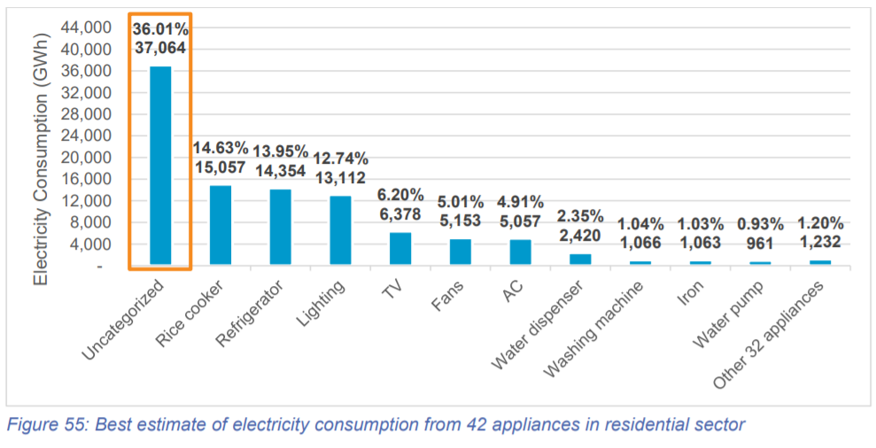

 | year: 2019
 | electricity, by end use
GWh | Category in CLASP | Category in EPS | Total in EPS | This data is then divided for urban and rural use based on urbanization rate (electricity end-use % consumption rate is assumed to be the same)
5,057 | air conditioner | cooling | 11,739
6,682 | electric fan
15,296 | refrigerator | cooking | 30,353
15,057 | rice cooker/warmer
6,378 | television | appliances | 13,120
1,232 | other 32 appliances
1,063 | iron
1,066 | washing machine
2,420 | dispenser |  |  | Total electricity consumption in household (2019)
961 | water pump |  |  | PLN 2019: | 102,917 | GWh
13,112 | lighting | lighting | 13,112 | HEESI 2019: | 103,016 | GWh
37,064 | uncategorized | other | 37,163 | conclusion: data is valid since the difference between 2 sources is low
99 | modulus (unmatch between PLN and HSEE)

Energy in Residential
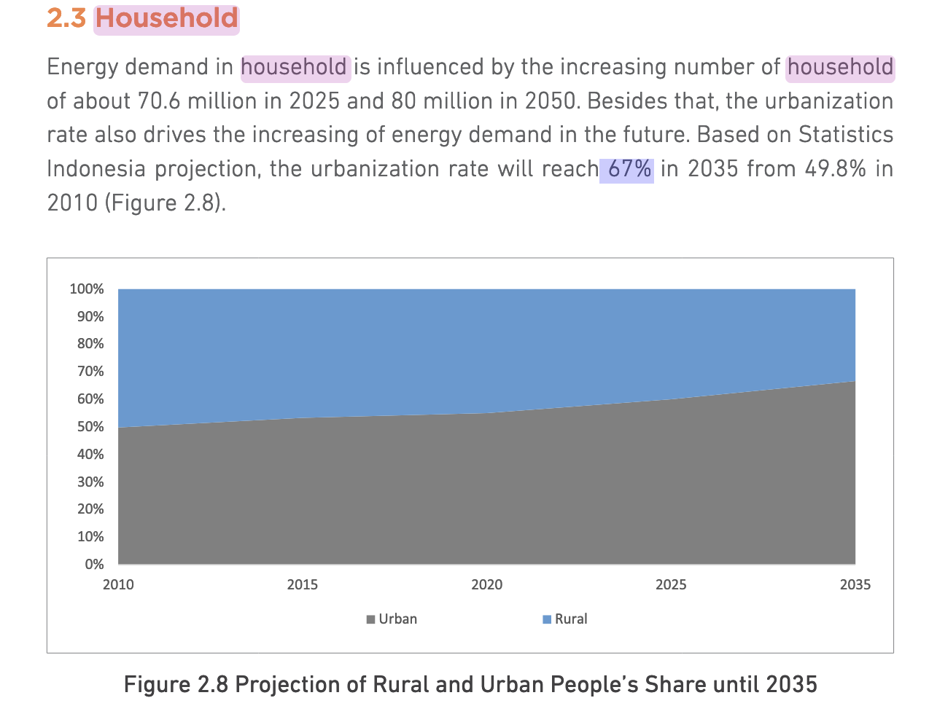
Energy consumption in household sector (HEESI, 2019)
year | biomass (thousand ton) | gas (mmscf) | kerosene (kilo liter) | LPG (thousand ton) | biogas (thousand m3) | electricity (GWh) |  |  |  | 2010 | 2011 | 2012 | 2013 | 2014 | 2015 | 2016 | 2017 | 2018 | 2019
2009 | 27,452 | 722 | 4,091,982 | 2,671 | n.a | 54,945 |  |  | Urban Households (%) | 0.498 | 0.505 | 0.512 | 0.519 | 0.526 | 0.533 | 0.5398 | 0.5466 | 0.5534 | 0.5602
2010 | 27,445 | 751 | 2,436,009 | 3,564 | n.a | 59,825 |  |  | Rural Households (%) | 0.502 | 0.495 | 0.488 | 0.481 | 0.474 | 0.467 | 0.4602 | 0.4534 | 0.4466 | 0.4398
2011 | 26,173 | 635 | 1,699,298 | 4,144 | n.a | 65,112
2012 | 23,996 | 748 | 1,183,526 | 4,824 | n.a | 72,133
2013 | 21,553 | 681 | 1,079,100 | 5,377 | n.a | 77,211
2014 | 20,108 | 636 | 831,641 | 5,843 | n.a | 84,086
2015 | 16,740 | 648 | 658,537 | 6,115 | 18,953 | 88,682 |  | conversion factor from original to btu (HEESI, 2019)
2016 | 14,965 | 761 | 512,604 | 6,370 | 22,800 | 93,635 |  | biomass (thousand ton) | gas (mmscf) | kerosene (kilo liter) | LPG (thousand ton) | biogas (thousand m3) | electricity (GWh)
2017 | 12,642 | 983 | 525,429 | 6,896 | 24,786 | 94,457 |  | 13325312283 | 1042113090.6 | 34370776.148 | 49432834564 | 36854777.943 | 3,412,141,632
2018 | 10,018 | 1,131 | 513,411 | 7,252 | 25,670 | 102,712
2019 | 7,490 | 1,291 | 484,392 | 7,447 | 26,277 | 103,016 |  | 99806589000000 | 1345368000000 | 1.6648929E+13 | 368126319000000 | 9.68433E+11
original unit |  |  |  |  |  |  |  | in btu
2019 | biomass (thousand ton) | gas (mmscf) | kerosene (kilo liter) | LPG (thousand ton) | biogas (thousand m3) | electricity (GWh) |  | biomass (thousand ton) | gas (mmscf) | kerosene (kilo liter) | LPG (thousand ton) | biogas (thousand m3) | electricity (GWh)
urban | 0 | 723.2182 | 0 | 4171.8094 | 26,277 | 57709.5632 | urban | 0 | 7.536751536E+11 | 0 | 2.062243639E+14 | 9.68433E+11
rural | 7,490 | 568 | 484,392 | 3,275 | 0 | 45,306 | rural | 99806589000000 | 5.916928464E+11 | 1.6648929E+13 | 1.619019551E+14 | 0

Urban residential
 | cooling | cooking | appliances | lighting | other | heating
biomass | 0 | 0 | 0 | 0 | 0 | 0
gas | 0 | 7.536751536E+11 | 0 | 0 | 0 | 0
kerosene | 0 | 0 | 0 | 0 | 0 | 0
lpg | 0 | 2.062243639E+14 | 0 | 0 | 0 | 0
biogas | 0 | 9.68433E+11 | 0 | 0 | 0 | 0
electricity | 22438884172230.562 | 58019205322405.164 | 25078640458272.85 | 25063348604334.88 | 71036395987103.2 | 0

Rural residential
 | cooling | cooking | appliances | lighting | other | heating
biomass | 0 | 99806589000000 | 0 | 0 | 0 | 0
gas | 0 | 5.916928464E+11 | 0 | 0 | 0 | 0
kerosene | 0 | 0 | 0 | 1.6648929E+13 | 0 | 0
lpg | 0 | 1.619019551E+14 | 0 | 0 | 0 | 0
biogas | 0 | 0 | 0 | 0 | 0 | 0
electricity | 17616246445817.438 | 45549529633690.836 | 19688657753567.15 | 19676652474449.12 | 55769023482912.8 | 0

 |  |  |  |  |  |  |  |  |  |  |  |  |  |  |  |  |  |  |  | 2035
 |  |  |  |  |  |  |  |  |  |  |  |  |  |  |  |  |  |  |  | 0.67
 |  |  |  |  |  |  |  |  |  |  |  |  |  |  |  |  |  |  |  | 0.33

demand_calculations_commercial
Year (PJ) | 2019 (estimated) | 2020 (estimated) | 2021 | 2022 | 2023 | 2024 | 2025 | 2026 | 2027 | 2028 | 2029 | 2030 | 2031 | 2032 | 2033 | 2034 | 2035 | 2036 | 2037 | 2038 | 2039 | 2040 | 2041 | 2042 | 2043 | 2044 | 2045 | 2046 | 2047 | 2048 | 2049 | 2050
Electricity | 544.2 | 571.4 | 600.0 | 638.9 | 677.8 | 716.7 | 755.6 | 794.4 | 833.3 | 872.2 | 911.1 | 950 | 992.5 | 1035.0 | 1077.5 | 1120.0 | 1162.5 | 1205.0 | 1247.5 | 1290.0 | 1332.5 | 1375.0 | 1417.5 | 1460.0 | 1502.5 | 1545.0 | 1587.5 | 1630.0 | 1672.5 | 1715.0 | 1757.5 | 1800
growth rate for electricity | 105.0% | 105.0% | 105.0% | 106.5% | 106.1% | 105.7% | 105.4% | 105.1% | 104.9% | 104.7% | 104.5% | 104.3% | 104.5% | 104.3% | 104.1% | 103.9% | 103.8% | 103.7% | 103.5% | 103.4% | 103.3% | 103.2% | 103.1% | 103.0% | 102.9% | 102.8% | 102.8% | 102.7% | 102.6% | 102.5% | 102.5% | 102.4%
Fossil fuels | 416.5 | 408.2 | 400 | 392.2 | 384.4 | 376.7 | 368.9 | 361.1 | 353.3 | 345.6 | 337.8 | 330 | 317.0 | 304.0 | 291.0 | 278.0 | 265.0 | 252.0 | 239.0 | 226.0 | 213.0 | 200.0 | 187.0 | 174.0 | 161.0 | 148.0 | 135.0 | 122.0 | 109.0 | 96.0 | 83.0 | 70
growth rate for fossil fuels | 98.0% | 98.0% | 98.0% | 98.1% | 98.0% | 98.0% | 97.9% | 97.9% | 97.8% | 97.8% | 97.7% | 97.7% | 96.1% | 95.9% | 95.7% | 95.5% | 95.3% | 95.1% | 94.8% | 94.6% | 94.2% | 93.9% | 93.5% | 93.0% | 92.5% | 91.9% | 91.2% | 90.4% | 89.3% | 88.1% | 86.5% | 84.3%
Total | 961.8 | 980.6 | 1001.1 | 1032.2 | 1063.3 | 1094.4 | 1125.5 | 1156.6 | 1187.7 | 1218.8 | 1249.9 | 1281.0 | 1310.5 | 1340.0 | 1369.5 | 1399.0 | 1428.5 | 1458.0 | 1487.5 | 1517.0 | 1546.5 | 1576.0 | 1605.5 | 1635.0 | 1664.5 | 1694.0 | 1723.5 | 1753.0 | 1782.5 | 1812.0 | 1841.5 | 1871.0

Source: IEA (2022) https://iea.blob.core.windows.net/assets/b496b141-8c3b-47fc-adb2-90740eb0b3b8/AnEnergySectorRoadmaptoNetZeroEmissionsinIndonesia.pdf

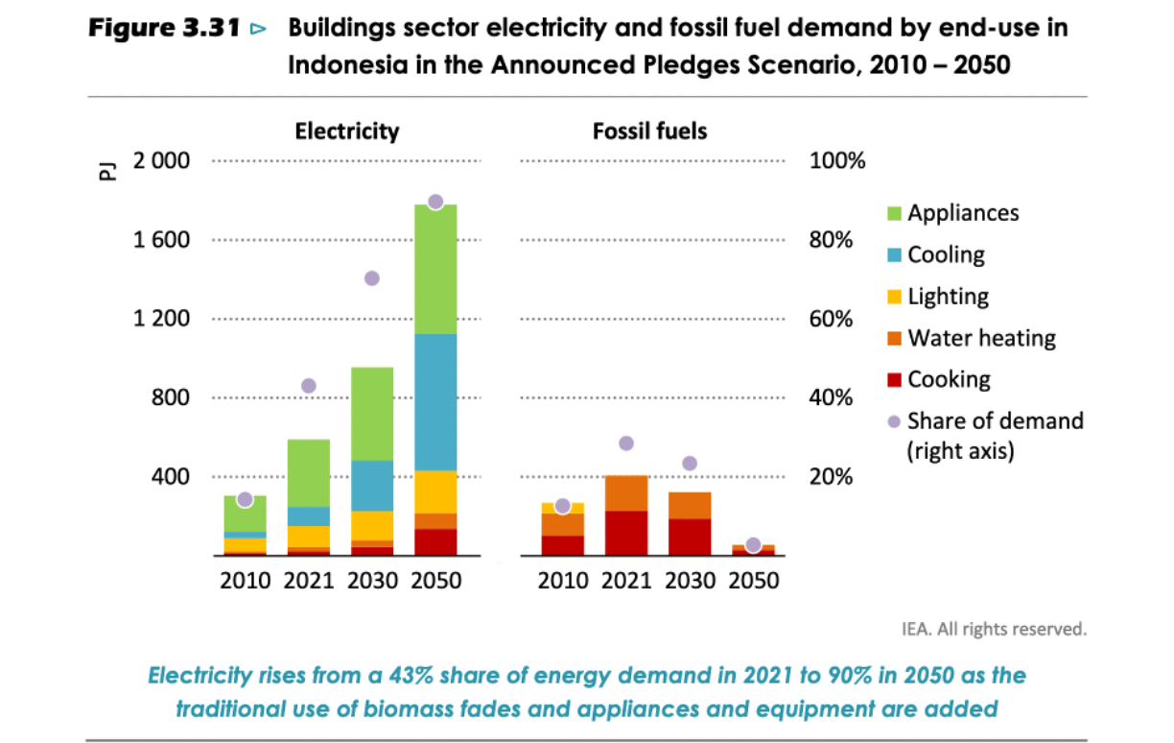
 |  |  |  |  |  | Electricity | PJ | Electricity | Fossil fuels
 |  |  |  |  |  | 600 | 2021 | 600 | 400
 |  |  |  |  |  | 950 | 2030 | 950 | 330
 |  |  |  |  |  | 1800 | 2050 | 1800 | 70

 |  |  |  |  |  |  |  | 0.0%

